F02.CFG-Paths
do not print this form |  | VVSS, Info Romana, 2018-2019

F02. modificarea functiei didactice (asistent/lector/conferentiar/profesor) a unui angajat;

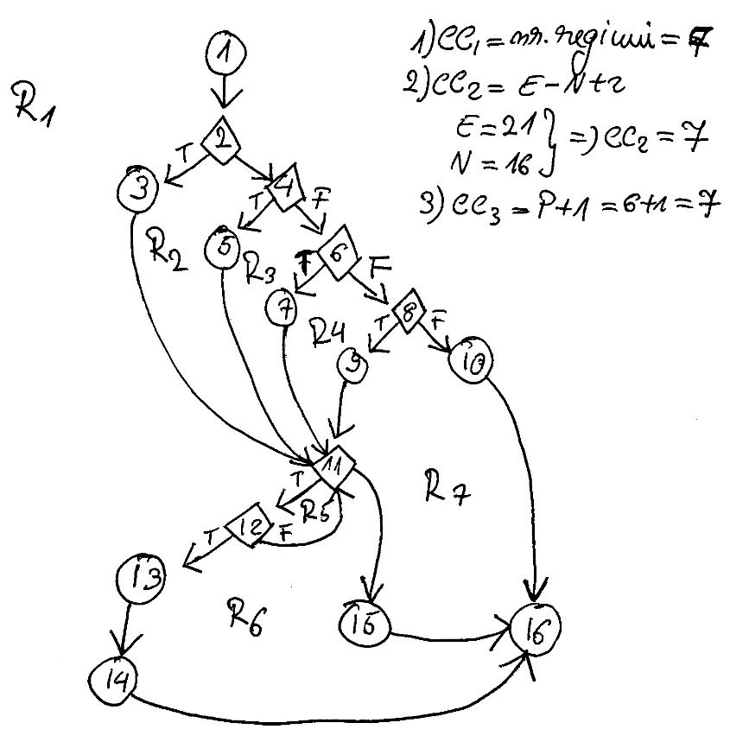
F02. Covered source code |  |  | F02. Control Flow Graph (CFG) | F02. Cyclomatic Complexity (CC)
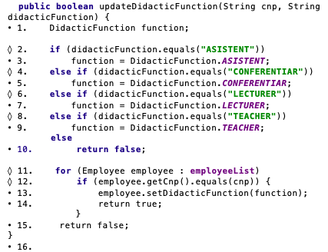
Line No. | Source code |  | please insert the CFG for this requirement | CC1 = No. of regions = |  | 7
Req02_L01 | … |  | It may be a screen capture, image, etc. | CC2 = Edges - Nodes + 2 = |  | 7
Req02_L02 | … |  |  | CC3 = No. of Conditions + 1 = |  | 7
Req02_L03 | …
... | …
.. | … |  |  | F02. Individual Paths
... | …
 |  |  |  | Path No. | Path
 |  |  |  | F02_P01 | 1 - 2(T) - 3 - 11(T) - 12(T) - 13 - 14 -16
 |  |  |  | F02_P02 | 1 - 2(T) - 3 - 11(T) - 12(F) - 11(F) - 15 - 16
 |  |  |  | F02_P03 | 1 - 2(F) - 4(T) - 5 - 11(T) - 12(T) - 13 - 14 - 16
 |  |  |  | F02_P04 | 1 - 2(F) - 4(T) - 5 - 11(T) - 12(F) - 11(F) - 15 -16
 |  |  |  | F02_P05 | 1 - 2(F) - 4(F) - 6(T) - 7 - 11(T) - 12(T) - 13 -14 -16
 |  |  |  | F02_PO6 | 1 - 2(F) - 4(F) - 6(F) - 8(T) - 9 - 11(T) - 12(T) - 13 - 14 - 16
 |  |  |  | F02_P07 | 1 - 2(F) - 4(F) - 6(F) - 8(F) - 10 -16

